Tasks
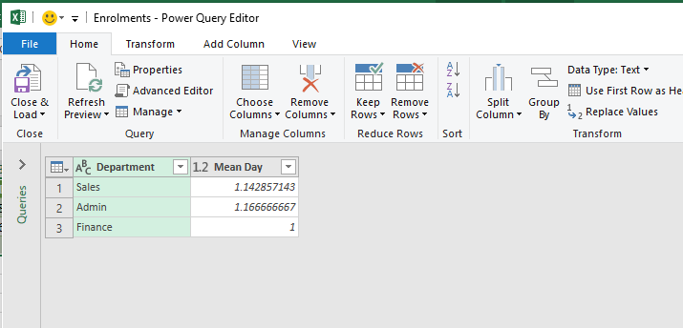
Grouping data

Tasks:
1. Open Query Editor
2. Using Group By to accomplish the two following requests:
Number of department
Average day by department

Hướng dẫn làm bài

1)Openning Query Editor

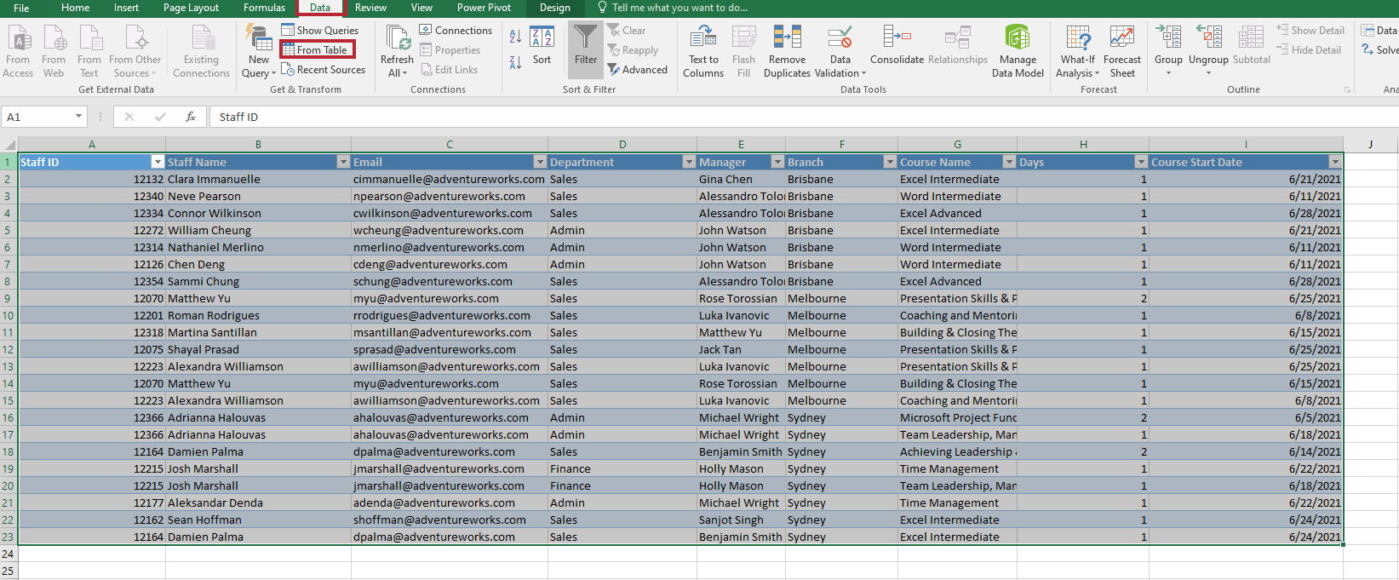

2) Transform data

- Đếm tổng số lượng các phòng ban trong cột Department
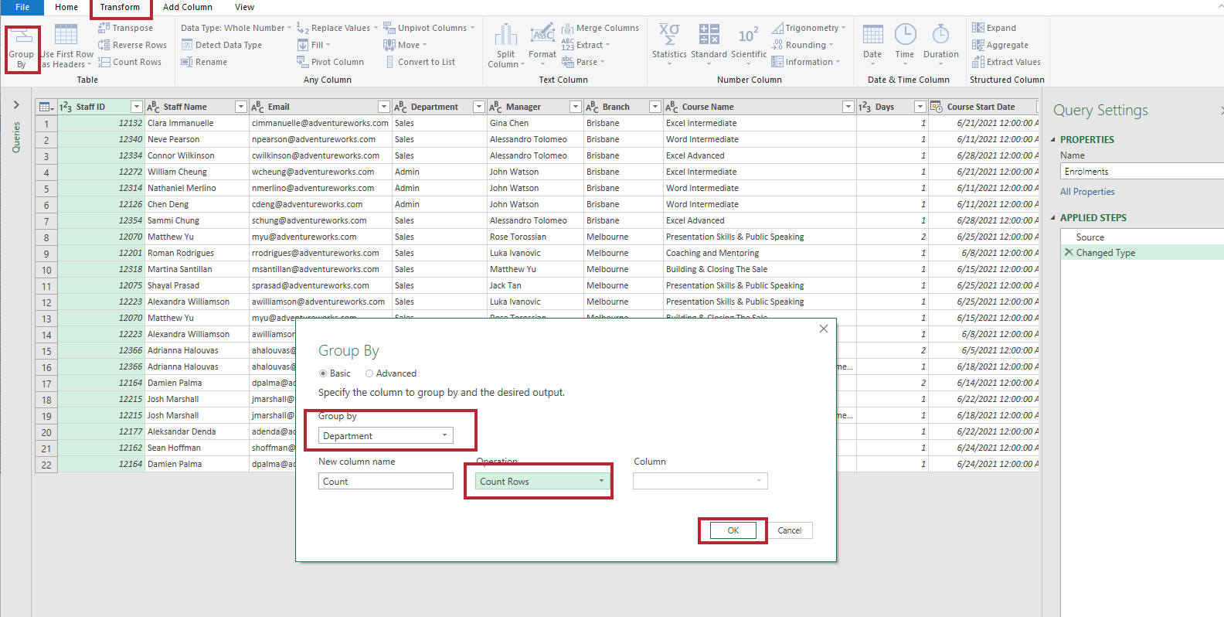

Result:

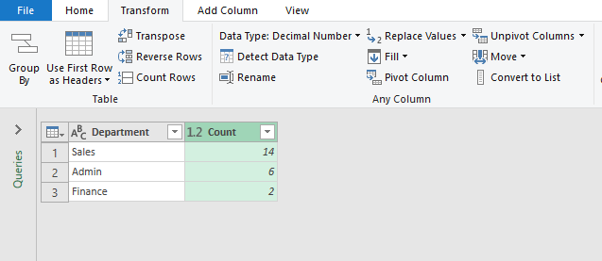

Task B:

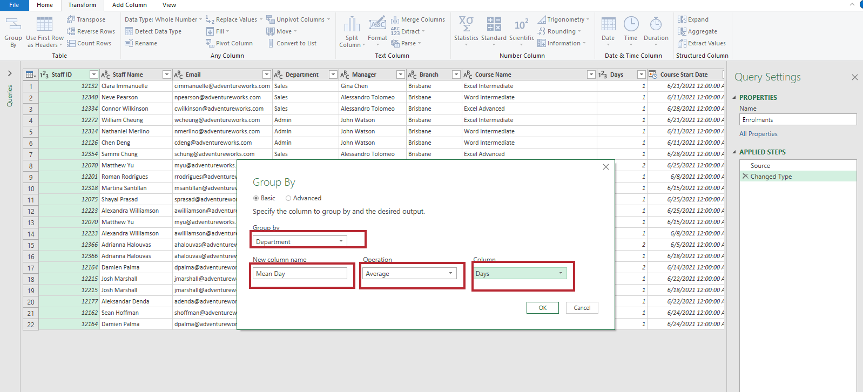

Result:

